Sheet1
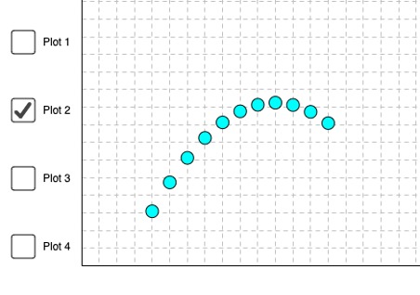
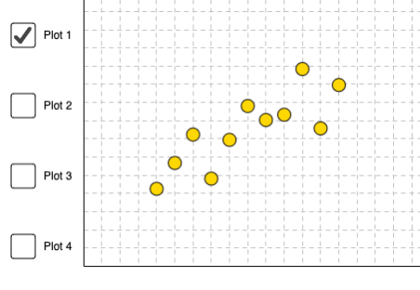
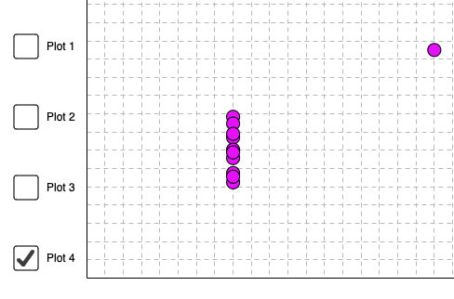
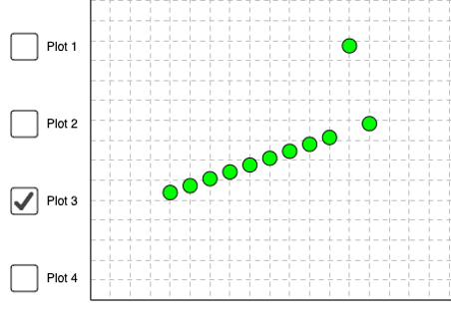
 | plot 1 |  | plot 2 |  | plot 3 |  | plot 4
 | x | y | x | y | x | y | x | y
 | 10 | 8.04 | 10 | 9.14 | 10 | 7.46 | 8 | 6.58
 | 8 | 6.95 | 8 | 8.14 | 8 | 6.77 | 8 | 5.76
 | 13 | 7.58 | 13 | 8.74 | 13 | 12.74 | 8 | 7.71
 | 9 | 8.81 | 9 | 8.77 | 9 | 7.11 | 8 | 8.84
 | 11 | 8.33 | 11 | 9.26 | 11 | 7.81 | 8 | 8.47
 | 14 | 9.96 | 14 | 8.1 | 14 | 8.84 | 8 | 7.04
 | 6 | 7.24 | 6 | 6.13 | 6 | 6.08 | 8 | 5.25
 | 4 | 4.26 | 4 | 3.1 | 4 | 5.39 | 19 | 12.5
 | 12 | 10.84 | 12 | 9.13 | 12 | 8.15 | 8 | 5.56
 | 7 | 4.82 | 7 | 7.26 | 7 | 6.42 | 8 | 7.91
 | 5 | 5.68 | 5 | 4.74 | 5 | 5.73 | 8 | 6.89

mean: | 9.00 | 7.50 | 9.00 | 7.50 | 9.00 | 7.50 | 9.00 | 7.50
sd: | 3.32 | 2.03 | 3.32 | 2.03 | 3.32 | 2.03 | 3.32 | 2.03
CORREL | 0.82 |  | 0.82 |  | 0.82 |  | 0.82

